Cover
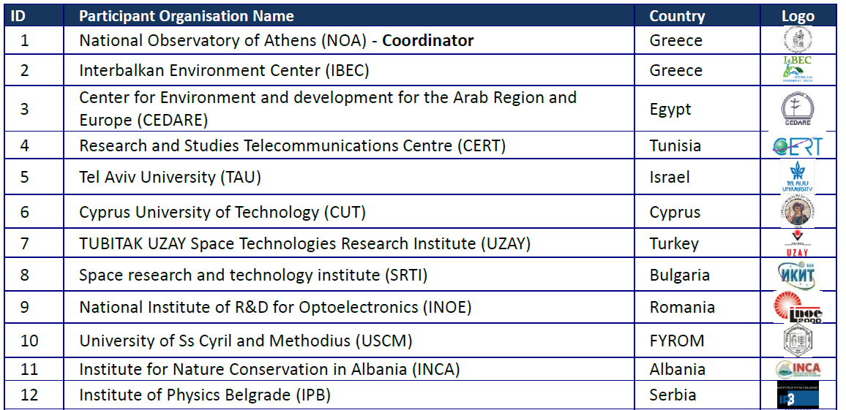
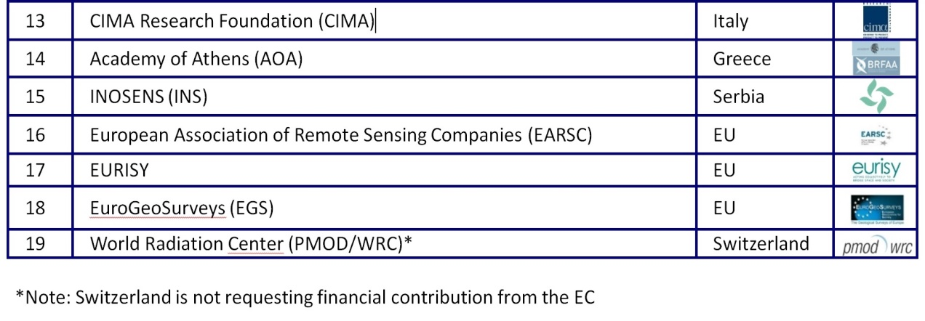
Coordinating and integrating state-of-the-art Earth Observation Activities in the regions of North Africa, Middle East, and Balkans and Developing Links with GEO related initiatives towards GEOSS
 |  |  | 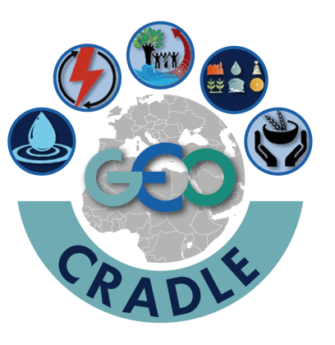
D2.2 Inventory of in-situ instrumentation and regional networks
Contract Number | H2020 SC5-18b-2015, Project GA number: 690133 |  |  |  |  |  |  | Acronym |  | GEO-CRADLE
Full title | Coordinating and integrating state-of-the-art Earth Observation Activities in the regions of North Africa, Middle East, and Balkans and Developing Links with GEO related initiatives towards GEOSS.
Project URL | http://geocradle.eu
EC Project Officers | Ms Gaëlle LE BOULER

Deliverable/Document | Number |  | 2.2 | Name | Inventory of in-situ instrumentation and regional networks
Work package | Number |  | WP2 | Name | Inventory of capacities and user needs
Date of delivery | Contractual |  |  | M05 | Actual |  |  | 2016-09-26
Status | Final
Nature | Other
Distribution Type | Public
Authoring Partner | EGS
Prepared by | Eleftheria Poyiadji
Quality Assurance | Lefteris Mamais - Technical & Quality Assurance Manager, Haris Kontoes - Project Coordinator
Contact Person | Dr Charalampos (Haris) Kontoes |  |  |  |  | Project Coordinator
 | ΝΟΑ, Metaxa & Vas. Pavlou Str. • 152 36 Penteli, Greece
 | Email: | kontoes@noa.gr |  |  |  | Phone | +30 2108109113 |  | Fax | +30 2106138343

Project Information
This document is part of a research project funded under the European Union Horizon 2020 Programme - Coordination and Support Action.
Call Identifier: SC5-18b-2015, Integrating North African, Middle East and Balkan Earth Observation capacities in GEOSS.
Project GA number: 690133
Project Title: GEO-CRADLE - Coordinating and integRating state-of-the-art Earth Observation Activities in the regions of North Africa, Middle East, and Balkans and Developing Links with GEO related initiatives towards GEOSS.
Project Beneficiaries:

Update Note
UPDATE NOTE

The information contained in the following sheet have been updated following the first submission of the inventory, and are now available through the GEO CRADLE Networking Platform at:
http://geocradle.eu/platform/
The platform has embodied the GEO-CRADLE Survey to the registration process, meaning that the questions of the survey are now available to be filled in during the registration.

The Networking Platform is created to document all the information collected in WP2 concerning EO capacities in relation to in-situ networks, and provide a flexible and user friendly tool that facilitates the access of the user to this information for the first time in the RoI, to a network of EO stakeholders focusing their activities in the Balkans, Middle East and North Africa. This platform is designed to be dynamic in terms of update of the information content, since GEO-CRADLE aspires to integrate as much of EO stakeholders as possible from the Industry, Academic and Institutional Bodies, during and beyond the duration of the project.
In this line, the open source software, Wordpress, is used to develop a user-friendly database where the users can register, create their own profile and give information about their affiliated organisation’s interests, synergies, services, data sets, thematic area, contact details etc. The Figure below presents the Homepage of the Networking Platform, which includes 3 different search alternatives of the database:
• A map area with three filters: the map initially returns all the stakeholders located on the map. The user can refine the results using filters for Country, Organisation Name, and Thematic Area. The user can additionally zoom in/out and click on the circles that appear on the map to view the available profiles.
• Search by keywords: all information from the surveys can be searched word by word. By entering any Keyword, the profiles that include that word will be returned as results. Two or more keywords can be combined, e.g. Greece, climate, space etc. The results appear in a new page where each stakeholder is shown in a separate window (with the organisation name as title and the organisation logo as cover photo).
• Advanced search: a Search Page opens where more filters are available and classified according to the GEO-CRADLE Survey questions. The filters can be combined with: (a) one another, (b) the “search by keywords” filter.
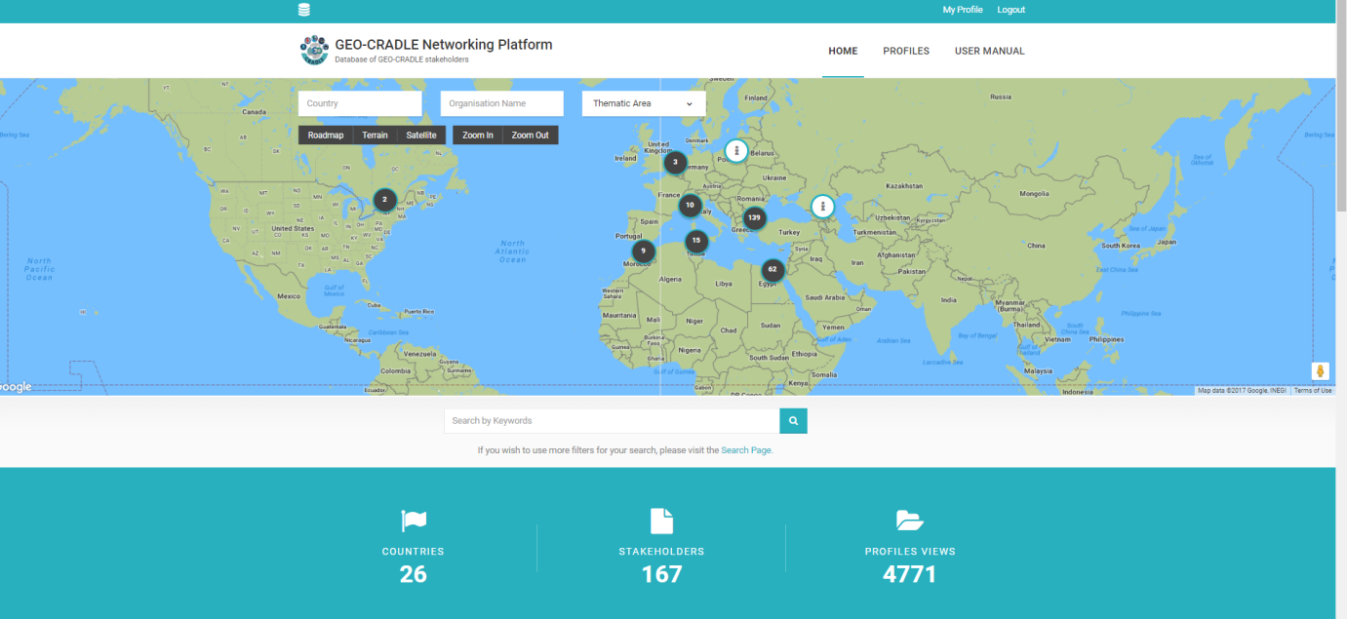

Figure: The upper part of the homepage of the GEO-CRADLE Networking Platform.
Statistics on the total number of countries & stakeholders integrated in the platform, as well as the total number of profiles views are included in the Homepage. The last 6 stakeholders who joined the platform, the main database services of the platform and, finally, the 4 thematic areas of interest of the project are also presented.
It should be noted that registration is not required to view, search and contact stakeholders. Still, it is highly recommended that the users register in order to make their profile publicly available and promote their own capacities to the other stakeholders, facilitating this way the regional networking and cooperation. A user-friendly guide for the registration process is provided online.

