Cover
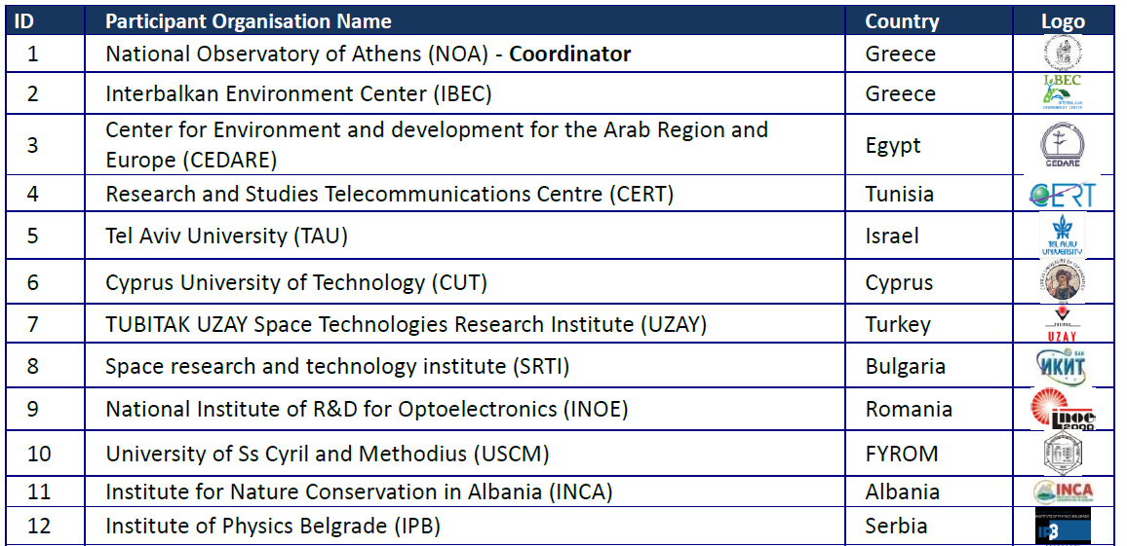
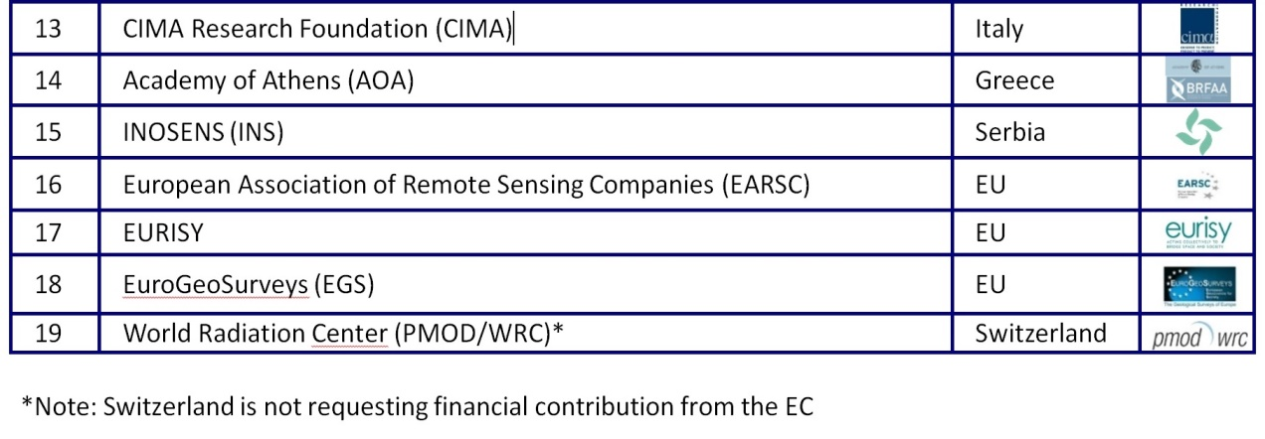
Coordinating and integrating state-of-the-art Earth Observation Activities in the regions of North Africa, Middle East, and Balkans and Developing Links with GEO related initiatives towards GEOSS
 |  |  | 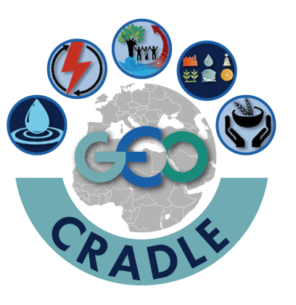
D2.2 Inventory of in-situ instrumentation and regional networks
Contract Number | H2020 SC5-18b-2015, Project GA number: 690133 |  |  |  |  |  |  | Acronym |  | GEO-CRADLE
Full title | Coordinating and integrating state-of-the-art Earth Observation Activities in the regions of North Africa, Middle East, and Balkans and Developing Links with GEO related initiatives towards GEOSS.
Project URL | http://geocradle.eu
EC Project Officers | Ms Gaëlle LE BOULER

Deliverable/Document | Number |  | 2.2 | Name | Inventory of in-situ instrumentation and regional networks
Work package | Number |  | WP2 | Name | Inventory of capacities and user needs
Date of delivery | Contractual |  |  | M05 | Actual |  |  | 2016-09-26
Status | Final
Nature | Other
Distribution Type | Public
Authoring Partner | EGS
Prepared by | Eleftheria Poyiadji
Quality Assurance | Lefteris Mamais - Technical & Quality Assurance Manager, Haris Kontoes - Project Coordinator
Contact Person | Dr Charalampos (Haris) Kontoes |  |  |  |  | Project Coordinator
 | ΝΟΑ, Metaxa & Vas. Pavlou Str. • 152 36 Penteli, Greece
 | Email: | kontoes@noa.gr |  |  |  | Phone | +30 2108109113 |  | Fax | +30 2106138343

Project Information
This document is part of a research project funded under the European Union Horizon 2020 Programme - Coordination and Support Action.
Call Identifier: SC5-18b-2015, Integrating North African, Middle East and Balkan Earth Observation capacities in GEOSS.
Project GA number: 690133
Project Title: GEO-CRADLE - Coordinating and integRating state-of-the-art Earth Observation Activities in the regions of North Africa, Middle East, and Balkans and Developing Links with GEO related initiatives towards GEOSS.
Project Beneficiaries:

